Sheet1
Camera Screen |  |  | Pictures Screen

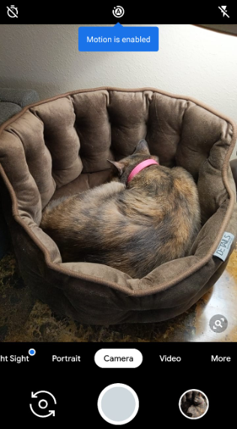
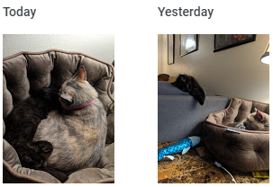

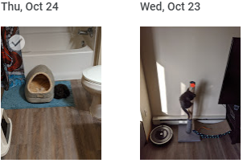

 | Camera | Picture Gallery |  | Camera | Picture Gallery

